Sheet1
Bill Summary for the project UEP 17th Floor DMC Karachi |  |  |  |  | MOBILIZATION ADVANCE |  | RETENTION AMOUNT
 |  |  |  |  | WHT deducted once at the time of mob adv received |  | WHT deducted will be deducted and SST wil be added when retention amount released
Contract Amount |  |  |  | 55,163,506 | Contract Amount | 55,163,506 | DEDUCTION IN IPC 1 | 594,201
Mobilizatin adv 20% |  |  |  | 11,032,701 | Mob advance 20% | 11,032,701 | DEDUCTION IN adhoc in IPC 2 | 1,103,270
 |  |  |  |  | Tax 8% | 882,616 | DEDUCTION IN IPC 2 | 2,586,024
 | IPC-01 | IPC-02 | IPC-03 |  | CHQ Amount | 10,150,085
RUNNING BILL NO 1 | 11,884,018 |  |  | 11,884,018 |  |  | TOTAL RECEIVABLE | 4,283,495

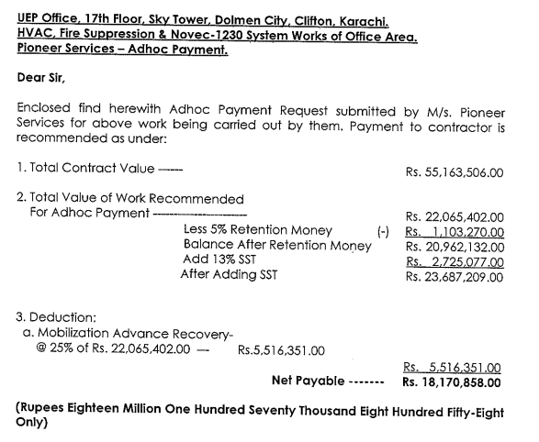
Less Retention |  | 5% |  | 594,201 | DEDUCTION
 |  |  |  |  | DEDUCTION IN IPC 1 | 2,971,005
Balance Payable |  |  |  | 11,289,817 | DEDUCTION IN adhoc in IPC 2 | 5,516,351
 |  |  |  |  | DEDUCTION IN adhoc in IPC 2 | 2,545,345
ADD SST 13% |  | 13% |  | 1,467,676
 |  |  |  |  | TOTAL | 11,032,701
 |  |  |  | 12,757,493 | Mob Payable | 0

Less Mobilization |  | 25% |  | 2,971,005

 |  |  |  | 9,786,489

LESS SST TAX |  | 20% |  | 293,535
LESS WHTAX |  | 8% |  | 782,919

CHQ Amount |  |  |  | 8,710,034

